BUG-REPORT
BUG-REPORT
BUG_ID | BUG_DESCRIPTION | PREREQUISITS | STEPS TO REPRODUCE BUGS | PRIORITY | EXPECTED RESULT | ACTUAL RESULT | ATTACHMENTS | COMMENTS
BG_001 | Forget Password Functionality is not Working | User should have a stable Internet Connection and then Open the Web Application | Open the URL and Go to the Login Page and Click on the Forgot Password Button | P0 | User should receive an Email for resetting the Password | User did not get any email for the Password Resetting | 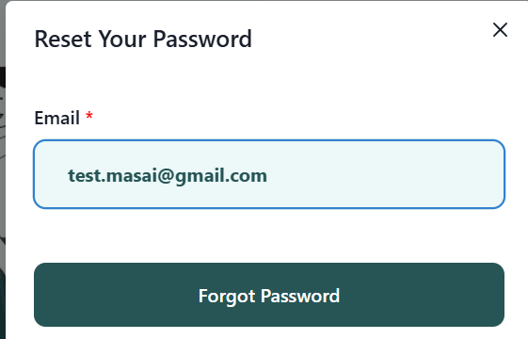 | User should be able to update their passwords
BG_002 | App crashes sometimes in between the File Upload | User should be on the File Upload Page | Upload a valid file Format in the Upload Section | P0 | User should be able to Upload the File Smoothly | Application Crashes sometimes while uploading the File | 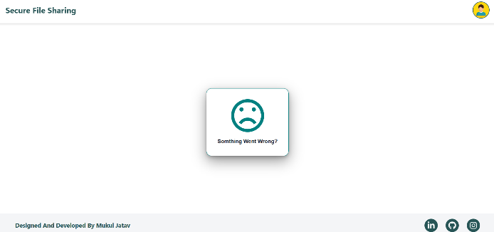 | Application is crashing in between the file uploads
BG_003 | Incorrect Spelling on the File Download Page | User should be on the File Download Page | Upload the file and go to the File Download Page | P0 | File Download option should be there | Instead of File Upload, there should be File Download | 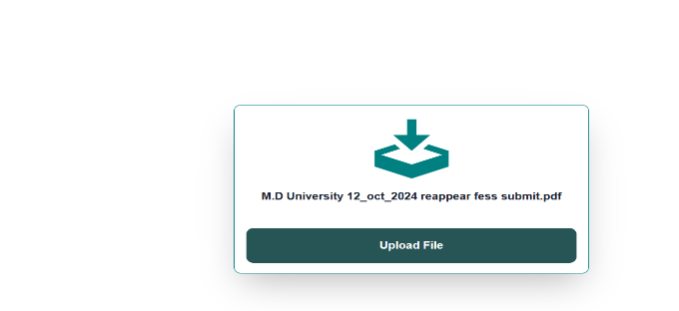 | Spelling mistakes degrades the user Experience
BG_004 | Cancel Button is not working in the Delete File Section | User should be on the Delete File Page | Select a particular File and go to the Delete File Section, and after that click on the Cancel button | P1 | User should be able to Click on the Cancel Button | User is not able to Click on the cancel the delete Operation Button | 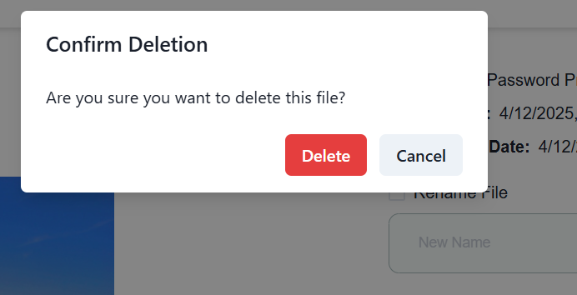 | Button is not clickable, user should be able to Click the Button
BG_005 | User is not able to select and delete multiple files at a Single time | User must be on the Delete Files Page and have multiples files | Upload multiple files and then select and delete multiple files at a time | P2 | User Should be able to select and delete multiples files at a time | User is not able to select and delete multiple files at a time | 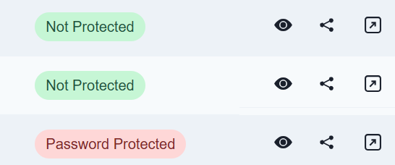 | N/A
BG_006 | Sometimes user needs to click on the Upload Button 2 times to upload a particular File | User should must be on the File Upload Page | Select a particular file and then click on the Upload Button | P0 | User should be able to upload a file in One click only | Sometimes user is not able to upload the file one click | 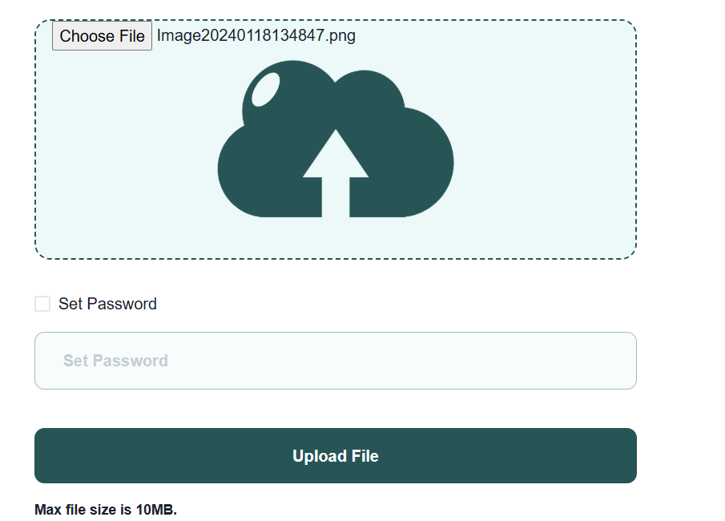 | N/A
BG_007 | Sign up page is accepting invalid Username | User should be on the Sign up Page | Open the URL and Go to The Sign up Page and Enter the Invalid username like @@@@@@@@@@@ | P1 | Username field should only accept the Valid username Input Values | User can give any random value in the username field on the Sign-Up page | 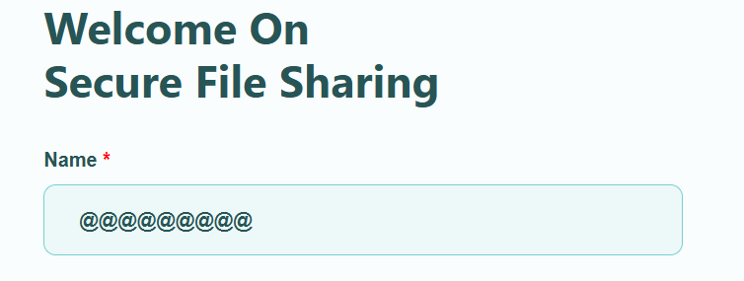 | User should only be able to provide Valid Usernames
BG_008 | Sign up page is accepting invalid email format | User should be on the Sign up Page | Go to the Sign Up page and enter the Invalid Format of Email while Signing Up like, test.masai@gmail.c | P0 | Email field should only accept the Valid email Format | User is able to give Invalid gmail format | 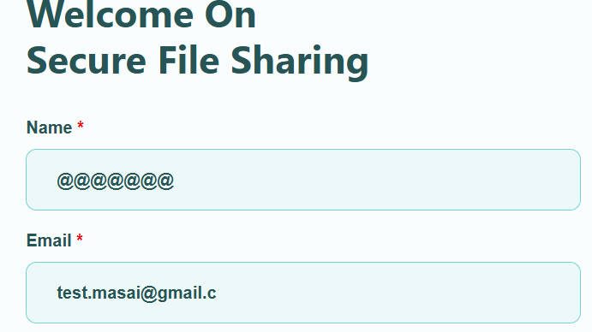 | N/A
BG_009 | User is not able to Switch between file previews | User must be on the File Preview Page | Open the Application and upload multiple Files, and then go to the file preview page and try to preview multiple files | P2 | User should be able to Switch between multiple files and preview them | User is not able to switch and preview multiple files at a time | 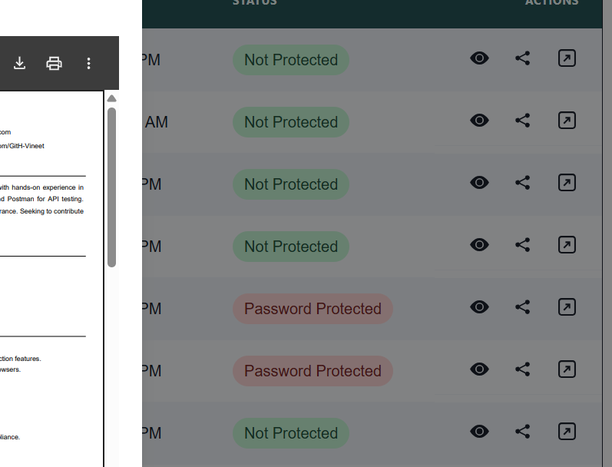 | N/A
BG_010 | Spelling mistakes in the Preview Page | User should be on the File Preview Page | Open the File Preview Page and scroll down to the Preview Section | P1 | Spellings should be correct on the Website otherwise it will degrade the User Experience | Spelling is not correct in the preview Page | 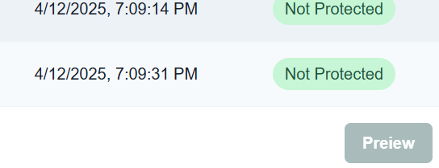 | Spelling mistakes degrades the user Experience
BG_011 | Password Limitation functionality is not working | User should on the File Upload page | Upload a particular file and put a hundred words of password or thousand | P1 | There should be a limit of few words in the Passowrd Setting Functionality | User can give Hundreds of words as passwords | 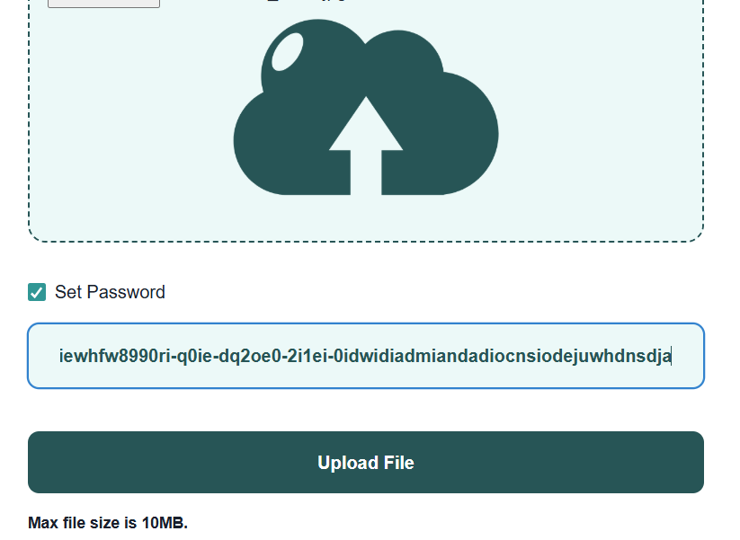 | N/A
BG_012 | User is not able to Update his Profile Section | User must be on the Edit Profile Section | Open the Application and go to the Profile Section and try to upload user picture or update other options | P0 | User should be able to update his/her profile Section | User is not able to Update his profile section | 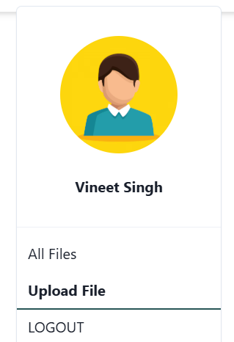 | User should be able to update his profile section

